Football Field Analysis
Football Field Analysis- Valuation Summary(Rs.)
Fooball Field Analysis - Data
 | Open Low | Low | Open High | High
Relative Valuation | 1393.80 | 1393.80 | 1797.10 | 1797.10
DCF Bear | 468.20 | 468.20 | 665.91 | 665.91
DCF Base | 514.98 | 514.98 | 791.09 | 791.09
DCF Bull | 545.09 | 545.09 | 883.40 | 883.40
52 Weeks Range | 2115.00 | 2115.00 | 2985.70 | 2985.70

Key Assumption & Note :
• Valuation is based on DCF methodology.
•WACC is estamated using CAPM with a 5 year monthly Beta regression.
•Forecast Growth: 20.75%.
•Terminal Growth: 4.50%.
•WACC: 12.70%
•The 52 week rading range represents actual market Price.
•Based on this DCF Valuation, the current market price implies a premium of approzimately 344% to the estimated intrinsic value.

Altman Z Score
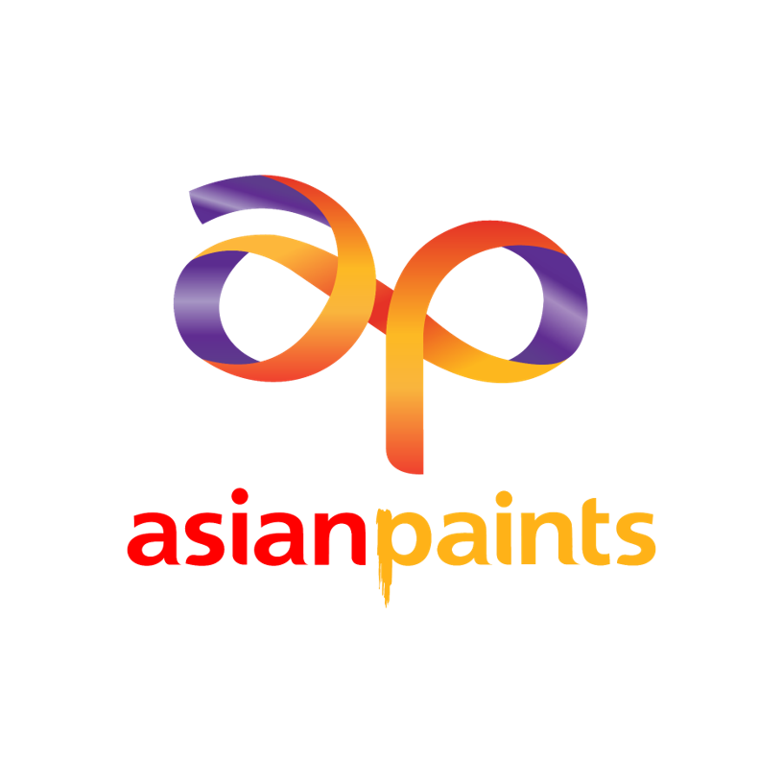
ASIAN PAINTS LTD
(ASIANPAINT | BSE Code: 500820 )
INR 2605.6
52 Week (High - INR 2985.7 LOW - INR 2115)

Altman's Z Score Analysis
Asian Paints Ltd is an Indian multinational paint company, headquartered in Mumbai.The company is engaged in the business of manufacturing, selling and distribution of paints, coatings, products related to home décor, bath fittings and providing related services. Asian Paints is India's largest paints company by market share.The company has 27 paint manufacturing facilities in 15 countries, servicing consumers in over 60 countries. Asian Paints is also present in the home improvement and décor space in India

Financial Summary

Working Capital/Total Assets(A)
Retained Earnings/Total Assets(B)
EBIT/Total Assets(C)

Market cap/Long Term Liabilities(D)
Sales/Total Assets(E)
Altman's Z Score

Recent Updates:
Q4 FY26 rebound: Revenue rose 11% YoY to ₹9,228 crore, net profit surged 69% YoY to ₹1,172 crore, with EBITDA margin expanding to 19.3%.
Dividend strength: Declared a final dividend of ₹23/share, taking FY26 payout to ₹27.50/share, signaling strong cash flows.
Business drivers Q4: Domestic decorative paints volume growth hit 12.4% (best in 7 quarters), industrial coatings grew double digits, and international business rose 11% YoY.
Q2 FY26 steady but softer: Revenue up 6% YoY to ₹8,514 crore, PAT up 47% YoY to ₹1,018 crore, but sequential margins fell to 17.7% amid higher costs.
Segmental trends Q2: Decorative paints grew 10.9% volumes, industrial coatings remained strong, but home décor (kitchen & bath) declined 5–7% YoY.
Risks: Competitive pressure from Birla Opus (Asian Paints’ market share fell from 59% to 52%), raw material cost volatility, and currency risks in overseas markets.
Outlook: Q4 shows resilience and margin recovery, while Q2 highlights challenges. UBS upgrade to ₹3,200–₹4,000 reflects optimism, but competition and costs remain key watchpoints.

Altman's Z Score Analysis Calculation

Working Capital/Total Assets
 | Mar-19 | Mar-20 | Mar-21 | Mar-22 | Mar-23 | Mar-24 | Mar-25
Working Capital | 1,515.34 | 2,817.26 | 3,121.11 | 6,205.42 | 6,873.09 | 6,769.77 | 6,490.76
Total Assets | 16,248.84 | 16,137.97 | 20,355.34 | 22,958.43 | 25,779.33 | 29,900.77 | 30,355.25
Working Capital/Total Assets(A) | 9.33% | 17.46% | 15.33% | 27.03% | 26.66% | 22.64% | 21.38%

Retained Earnings/Total Assets
 | Mar-19 | Mar-20 | Mar-21 | Mar-22 | Mar-23 | Mar-24 | Mar-25
Retained Earnings | 927.11 | 1,273.05 | 1,162.93 | 952.06 | 1,303.52 | 1,542.59 | 980.67
Total Assets | 16,248.84 | 16,137.97 | 20,355.34 | 22,958.43 | 25,779.33 | 29,900.77 | 30,355.25
Retained Earnings/Total Assets(B) | 5.71% | 7.89% | 5.71% | 4.15% | 5.06% | 5.16% | 3.23%

EBIT/Total Assets
 | Mar-19 | Mar-20 | Mar-21 | Mar-22 | Mar-23 | Mar-24 | Mar-25
EBIT | 3,142.80 | 3,381.27 | 4,064.33 | 3,987.25 | 5,401.82 | 6,731.98 | 4,979.87
Total Assets | 16,248.84 | 16,137.97 | 20,355.34 | 22,958.43 | 25,779.33 | 29,900.77 | 30,355.25
EBIT/Total Assets(C) | 19.34% | 20.95% | 19.97% | 17.37% | 20.95% | 22.51% | 16.41%

Market cap/Long Term Liabilities
 | Mar-19 | Mar-20 | Mar-21 | Mar-22 | Mar-23 | Mar-24 | Mar-25
Market Cap | 143,179.45 | 159,850.31 | 243,386.85 | 295,428.12 | 264,896.86 | 273,059.63 | 224,514.63
Long Term Liability | 1,319.60 | 1,118.50 | 1,093.12 | 1,586.88 | 1,932.62 | 2,474.38 | 2,290.29
Market cap/Long Term Liabilities(D) | 10850.22% | 14291.49% | 22265.34% | 18616.92% | 13706.62% | 11035.48% | 9802.89%

Sales/Total Assets
 | Mar-19 | Mar-20 | Mar-21 | Mar-22 | Mar-23 | Mar-24 | Mar-25
Sales | 19,240.13 | 20,211.25 | 21,712.79 | 29,101.28 | 34,488.59 | 35,494.73 | 33,905.62
Total Assets | 16,248.84 | 16,137.97 | 20,355.34 | 22,958.43 | 25,779.33 | 29,900.77 | 30,355.25
Sales/Total Assets(E) | 118.41% | 125.24% | 106.67% | 126.76% | 133.78% | 118.71% | 111.70%

Altman's Z Score
 | Mar-19 | Mar-20 | Mar-21 | Mar-22 | Mar-23 | Mar-24 | Mar-25
Final Score | 67.12 | 88.01 | 135.58 | 113.92 | 84.66 | 68.49 | 60.78
Financial Stability | Strong | Strong | Strong | Strong | Strong | Strong | Strong

Disclaimer: This report is made as part of educational assignment and is meant for educational purpose only.The author of the report is not liable for any losses due to actions taken basis this report. It is advisiable to consult SEBI registered researh analyst before making any investments.

Analysis
ASIAN PAINTS LTD
(ASIANPAINT | BSE Code: 500820 )
INR 2605.6
52 Week (High - INR 2985.7 LOW - INR 2115)

About The Company
Asian Paints Ltd is an Indian multinational paint company, headquartered in Mumbai.The company is engaged in the business of manufacturing, selling and distribution of paints, coatings, products related to home décor, bath fittings and providing related services. Asian Paints is India's largest paints company by market share.The company has 27 paint manufacturing facilities in 15 countries, servicing consumers in over 60 countries. Asian Paints is also present in the home improvement and décor space in India

Financial Summary

Revenues (INR Cr.)
Net Profit (INR Cr.)
Total Asset (INR Cr.)

Return on Equity (%)
Return On Assets(%)
Financial everage (INR Cr.)

Recent Updates:
Q4 FY26 rebound: Revenue rose 11% YoY to ₹9,228 crore, net profit surged 69% YoY to ₹1,172 crore, with EBITDA margin expanding to 19.3%.
Dividend strength: Declared a final dividend of ₹23/share, taking FY26 payout to ₹27.50/share, signaling strong cash flows.
Business drivers Q4: Domestic decorative paints volume growth hit 12.4% (best in 7 quarters), industrial coatings grew double digits, and international business rose 11% YoY.
Q2 FY26 steady but softer: Revenue up 6% YoY to ₹8,514 crore, PAT up 47% YoY to ₹1,018 crore, but sequential margins fell to 17.7% amid higher costs.
Segmental trends Q2: Decorative paints grew 10.9% volumes, industrial coatings remained strong, but home décor (kitchen & bath) declined 5–7% YoY.
Risks: Competitive pressure from Birla Opus (Asian Paints’ market share fell from 59% to 52%), raw material cost volatility, and currency risks in overseas markets.
Outlook: Q4 shows resilience and margin recovery, while Q2 highlights challenges. UBS upgrade to ₹3,200–₹4,000 reflects optimism, but competition and costs remain key watchpoints.

DuPont Analysis - Return on Equity & Return on Asset

Return On Equity(ROE)
 | Mar-19 | Mar-20 | Mar-21 | Mar-22 | Mar-23 | Mar-24 | Mar-25
Net Profit | 2,155.92 | 2,705.17 | 3,139.29 | 3,030.57 | 4,106.45 | 5,460.23 | 3,667.23
Average Shareholder Equity | 8,940.39 | 9,800.36 | 11,468.23 | 13,308.93 | 14,901.90 | 17,360.27 | 19,064.06
Return On Equity | 24.11% | 27.60% | 27.37% | 22.77% | 27.56% | 31.45% | 19.24%

ROE - Dupont Equation
 | Mar-19 | Mar-20 | Mar-21 | Mar-22 | Mar-23 | Mar-24 | Mar-25
Net Profit | 2,155.92 | 2,705.17 | 3,139.29 | 3,030.57 | 4,106.45 | 5,460.23 | 3,667.23
Revenue | 19,240.13 | 20,211.25 | 21,712.79 | 29,101.28 | 34,488.59 | 35,494.73 | 33,905.62
Net Profit Margin(A) | 11.21% | 13.38% | 14.46% | 10.41% | 11.91% | 15.38% | 10.82%

 | Mar-19 | Mar-20 | Mar-21 | Mar-22 | Mar-23 | Mar-24 | Mar-25
Revenue | 19,240.13 | 20,211.25 | 21,712.79 | 29,101.28 | 34,488.59 | 35,494.73 | 33,905.62
Average Total Assets | 15,006.16 | 16,193.40 | 18,246.66 | 21,656.89 | 24,368.88 | 27,840.05 | 30,128.01
Asset Turnover Ratio(B) | 1.3x | 1.2x | 1.2x | 1.3x | 1.4x | 1.3x | 1.1x

 | Mar-19 | Mar-20 | Mar-21 | Mar-22 | Mar-23 | Mar-24 | Mar-25
Average Total Assets | 15,006.16 | 16,193.40 | 18,246.66 | 21,656.89 | 24,368.88 | 27,840.05 | 30,128.01
Average Shareholder Equity | 8,940.39 | 9,800.36 | 11,468.23 | 13,308.93 | 14,901.90 | 17,360.27 | 19,064.06
Financial Leverage(C) | 1.7x | 1.7x | 1.6x | 1.6x | 1.6x | 1.6x | 1.6x

Return On Equity(A*B*C) | 24.11% | 27.60% | 27.37% | 22.77% | 27.56% | 31.45% | 19.24%

Return On Asset(ROA)
 | Mar-19 | Mar-20 | Mar-21 | Mar-22 | Mar-23 | Mar-24 | Mar-25
Net Profit | 2,155.92 | 2,705.17 | 3,139.29 | 3,030.57 | 4,106.45 | 5,460.23 | 3,667.23
Average Total Assets | 15,006.16 | 16,193.40 | 18,246.66 | 21,656.89 | 24,368.88 | 27,840.05 | 30,128.01
Return On Asset | 14.37% | 16.71% | 17.20% | 13.99% | 16.85% | 19.61% | 12.17%

ROA - Dupont Analysis
 | Mar-19 | Mar-20 | Mar-21 | Mar-22 | Mar-23 | Mar-24 | Mar-25
Net Profit | 2,155.92 | 2,705.17 | 3,139.29 | 3,030.57 | 4,106.45 | 5,460.23 | 3,667.23
Revenue | 19,240.13 | 20,211.25 | 21,712.79 | 29,101.28 | 34,488.59 | 35,494.73 | 33,905.62
Net Profit Margin(A) | 11.21% | 13.38% | 14.46% | 10.41% | 11.91% | 15.38% | 10.82%

 | Mar-19 | Mar-20 | Mar-21 | Mar-22 | Mar-23 | Mar-24 | Mar-25
Revenue | 19,240.13 | 20,211.25 | 21,712.79 | 29,101.28 | 34,488.59 | 35,494.73 | 33,905.62
Average Total Assets | 15,006.16 | 16,193.40 | 18,246.66 | 21,656.89 | 24,368.88 | 27,840.05 | 30,128.01
Asset Turnover Ratio(B) | 1.3x | 1.2x | 1.2x | 1.3x | 1.4x | 1.3x | 1.1x

Return On Asset(A*B) | 14.37% | 16.71% | 17.20% | 13.99% | 16.85% | 19.61% | 12.17%

Dupont Summary:
Net Profit Margin Remained Healthy throughtout the period, ranging from 10.41% to 15.38%. FY24 recorded the highest of 15.38%, reflecting strong pricing power and efficiency. In FY25, margin declined to 10.82%, indicating pressure from weaker demand, pricing normilization, or higher input cost.
Asset Turnover remained stable Between 1.2x and 1.4x suggesting that company consistently utilized its asset base efficiently to generate Revenue while FY25 saw a slight decline to 1.1x, indicationg lower efficiency in asset utilization.
Financial Leverage remained stable at approximately 1.6x - 1.7x across the period indicationg that company has not relied heavily on debt to enhance Shareholder returns.
ROA remained strong between 13.99% and 19.61%, peaking in FY24 before declining to 12.17% in FY25.This indicates that the company's operational efficiency remained robust for most of the period but weakened in FY25 due to lower profitability generated from its asset base.
Overall, the Dpont analysis indicates that Asian Paints' shareholder returns are primarily driven by strong operating performance rather than financial leverage.The company maintains healthy profitability, efficient asser utilization , and a onservative capital structure, reflecting a high-quality business with disciplined financial management.

Disclaimer: This report is made as part of educational assignment and is meant for educational purpose only.The author of the report is not liable for any losses due to actions taken basis this report. It is advisiable to consult SEBI registered researh analyst before making any investments.

